Logic-OOALV Report
Object Description |  | Need a report with finctionality to disply all the Maintenance orders details in OOALV format. The ALV should be able to Disply the planner group details of the selected line item after push button on screen is executed. The planner group details should appear on next screen and should be able to generte the Order number invoice (smartform) for the PO selected on first screen

Logic for Report
1 | Select the fields from AFIH and T024I table using inner join using the order number
2 | Display an OALV of all this selected fields on screen 0100 along with two pusho buttons 'Back' and 'Planner Group Details'
3 | On selection of line item when the 'Planner Group Details' button is pressed, the next screen should be displayed showing the details from T024A table for the INGRP of that selected line
4 | If button 'Purchase Group Details' is pressed without selected any line item, error should be displayed
5 | The second screen should have two buttons: 'Generate Form' & 'EDIT'
6 | Generate Form' Button will generate the Smartform for the order selected on first screen
7 | The basic button on menu bar like back, exit, leave should work accordingly on first and second screen
8 | When 'Edit' is pressed, third screen should appear which will give functinality to edit the T024A records which are displayed on second screen
9 | All fileds from second screen should be editable on third scree except Plant. Refer screenshot below for rference
10 | The Right Arrow should allow to go to next record
11 | Save button from menu bar should upadte the changes in T024A table
12 | Refer the screenshots below for screen desining and Smarform layout design

Functionality:
 | First screen |  |  |  | Second Screen
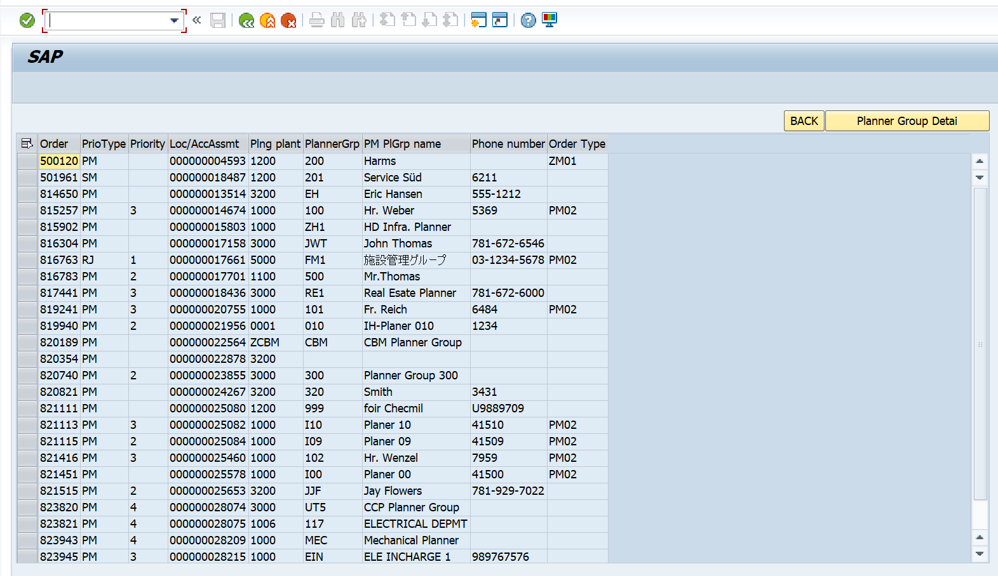
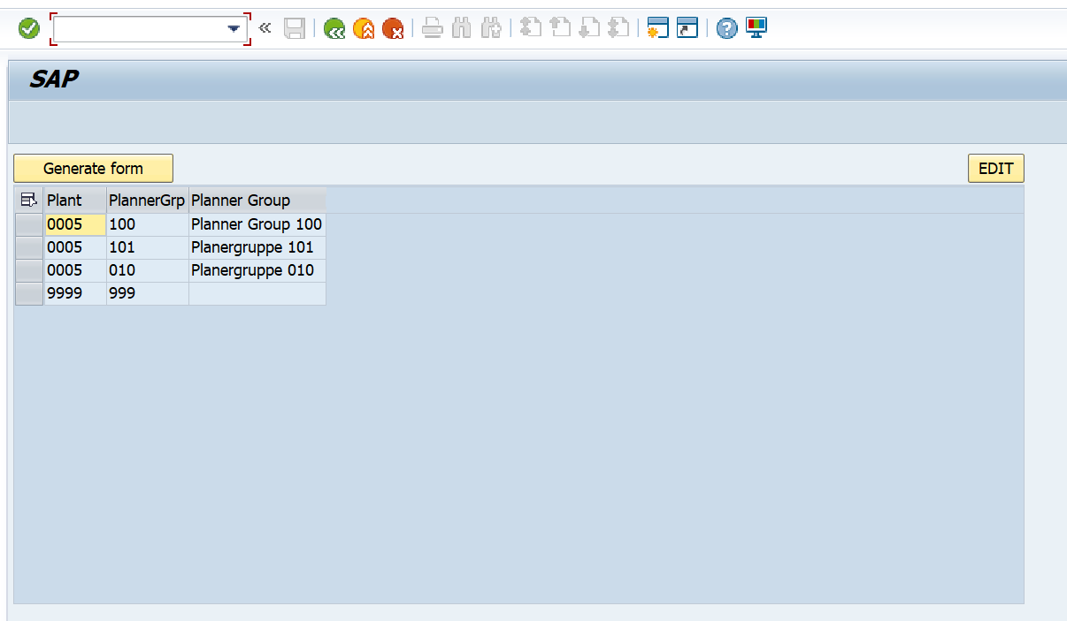

 |  |  | Third Screen | Smartform
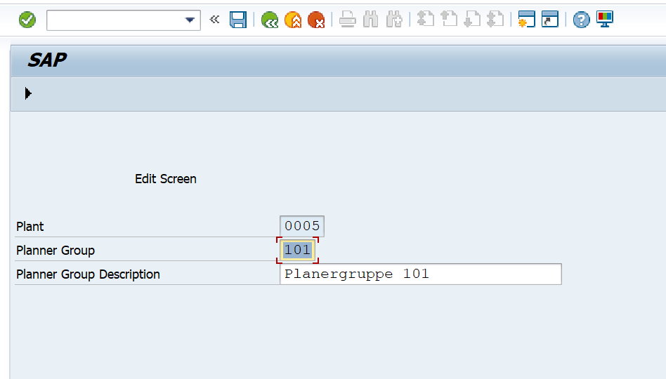
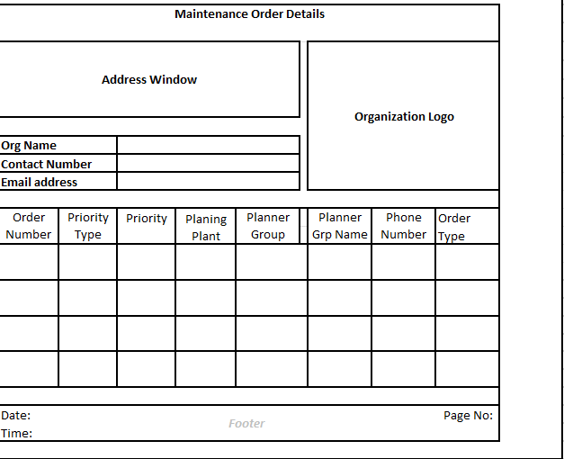

Logic to retrieve data from tables
 | How to retrieve data from Three Tables?
 | A) To display data from 2 tables, use inner join on ( AFIH - AUFNR, APTPR, PRIOK, ILOAN, INGPR ) & ( T024I - IWERK, INGRP, INNAM, INTEL, AUART_WP ) where AFIH-INGPR = T024I-INGRP
 | B) Select WERKS, FEVOR, TXT from T024A table when T024A-FEVOR = T024I-INGRP

